Sheet 1 - A5 Command Table
A5 Command Table
 | Event | Description | Values to save | Commands to call in response to event | Command description | Values to save
Events Common to Slaves/Clients
 | sl_bt_evt_system_boot_id | This event indicates the device has started and the radio is ready. Do not call any stack API commands before receiving this boot event, including starting BT stack soft timers! |  | sl_bt_system_get_identity_address() | Returns the unique BT device address | bd_addr
 |  |  |  | sl_bt_advertiser_create_set() | Creates an advertising set to use when the slave device wants to advertise its presence. The handle created by this call is only to be used for advertising API calls.
 |  |  |  | sl_bt_advertiser_set_timing() | Sets the timing to transmit advertising packets
 |  |  |  | sl_bt_advertiser_start() | Tells the device to start sending advertising packets
 |  |  |  | sl_bt_sm_delete_bondings() | Delete previously saved bonding information
 |  |  |  | sl_bt_sm_configure() | Configure the security manager

 | sl_bt_evt_connection_opened_id | This event indicates that a new connection was opened. | Connection handle. May want to maintain a flag that tracks whether a connection is open or closed. | sl_bt_advertiser_stop() | Stop advertising | Save this connection handle. Use this value in all subsequent calls that require a connect handle, when this connection is open to the client.
 |  |  |  | sl_bt_connection_set_parameters() | Send a request with a set of parameters to the master
 |  |  |  | sl_bt_system_set_soft_timer() | Set up 2nd soft timer for checking whether to send indications from circular queue

 | sl_bt_evt_connection_closed_id | This event indicates that a connection was closed. | May want to maintain a flag that tracks whether a connection is open or closed. | sl_bt_advertiser_start() | Tells the device to start sending advertising packets
 |  |  |  | sl_bt_sm_delete_bondings() | Delete previously saved bonding information

 | sl_bt_evt_connection_parameters_id | Informational. Triggered whenever the connection parameters are changed and at any time a connection is established

 | sl_bt_evt_system_external_signal_id | This event indicates that sl_bt_external_signal(myEvent) was called and returns the myEvent value in the event data structure: evt->data.evt_system_external_signal.extsignals |  | sl_bt_gatt_server_write_attribute_value( | For this assignment these are our events from LETIMER0 and the I2C transfers. A8 new part: handle passkey sequence, writing button state to GATT database, sending button state indications | Please note: Every semester students fail to check first for the event ID = sl_bt_evt_system_external_signal_id and then check for the event value in evt->data.evt_system_external_signal.extsignals. Your state machine should call sl_bt_gatt_server_send_indication() if the appropriate conditions are met: Connection is open Client has enabled indications for the HTM indications There is no indication currently in-flight | 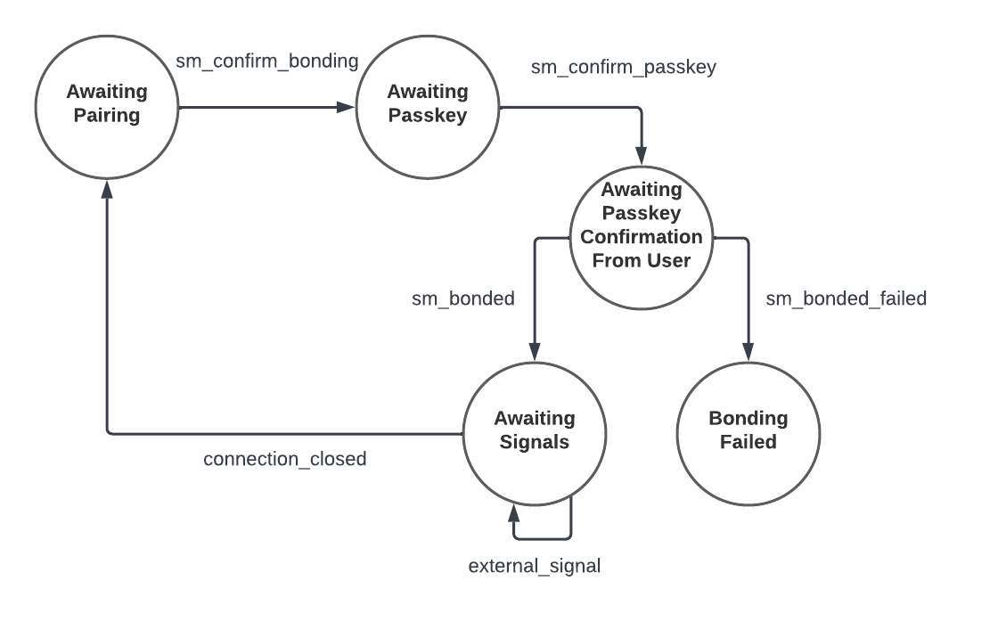
 | sl_bt_evt_system_soft_timer_id | This event indicates that a soft timer has expired, timer handle can be checked in event parameters |  | sl_bt_gatt_server_send_indication() | Dequeue item from circular queue and send as indication to client

Events only for Slaves/Servers
 | sl_bt_evt_gatt_server_characteristic_status_id | Indicates either: A local Client Characteristic Configuration descriptor (CCCD) was changed by the remote GATT client, or That a confirmation from the remote GATT Client was received upon a successful reception of the indication I.e. we sent an indication from our server to the client with sl_bt_gatt_server_send_indication() | Track whether indications are enabled/disabled for each and every characteristic. Indications for each characteristic value is independently controllable from the client. Track whether an indication is in flight or not. |  |  | Structure your case statement here to handle both of these cases.

 | sl_bt_evt_gatt_server_indication_timeout_id | Possible event from calling sl_bt_gatt_server_send_indication() - i.e. we never received a confirmation for a previously transmitted indication. | Track whether an indication is in flight or not.

 | sl_bt_evt_sm_confirm_bonding_id | Accepts the bonding request |  | sl_bt_sm_bonding_confirm()

 | sl_bt_evt_sm_confirm_passkey_id | Display passkey message on LCD |  |  |  | Update LCD

 | sl_bt_evt_sm_bonded_id | Display bonding success on LCD |  |  |  | Update LCD

 | sl_bt_evt_sm_bonding_failed_id | Display bonding failure on LCD |  |  |  | Update LCD

